Sheet1
1. Overall Review Sentiment
Here i created 2 cases. in first case, i analysed for the entire dataset, and for the second case, i removed data having null locations (to see wether reviews having null are intented by company)
The review sentiment for whole data(including null values) |  |  | Review sentiment for the data not having null location

As we see, the positive reviews percentage in both case have a slight difference and can be negligible if we compare it to the negative.
since the percentage of postive reviews are significantly higher than a negative percentage, it is safe to say that it is a well-liked hotel.

2. Review Sentiment by month

 |  |  | As per the graph, Customer reviews stays positive over a year, this shows hotel managing their reputations by providing great services (going to explain bit more in a while).
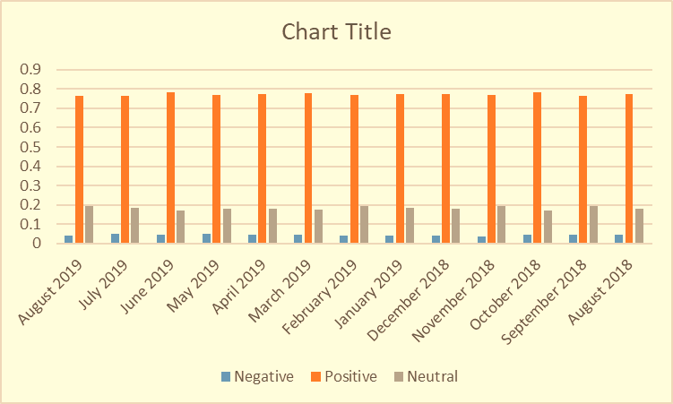

3. Most Common Words from reviewers:

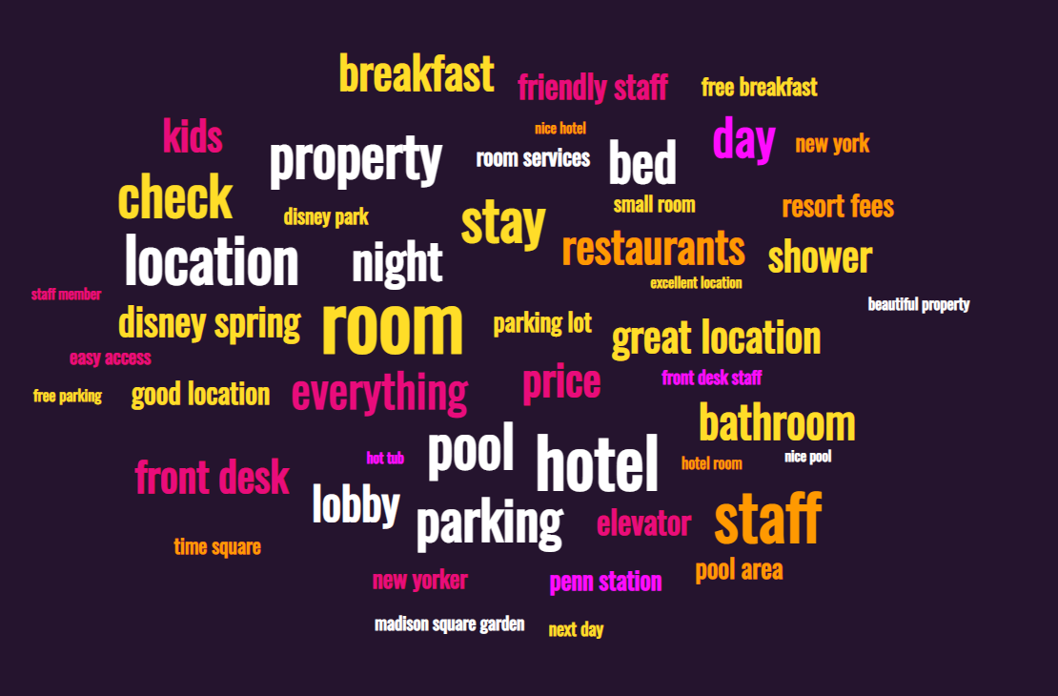
 |  |  | This words are common words from the customer, The services such as parking, location, friendly staff, etc, thus helps to get good reviews

4. Number of reviews by month
Dates | Total reviews | The number of reviews signifies the number of the customers using hotel services, and over 600 people use the hotel on December 2018 and followed by a march of 2019, the frequency may be increased due to the holidays period.
2022-08-19 | 290
2022-07-19 | 549
2022-06-19 | 362
2022-05-19 | 526
2022-04-19 | 593
2022-03-19 | 605
2022-02-19 | 418
2022-01-19 | 513
2022-12-18 | 630
2022-11-18 | 519
2022-10-18 | 524
2022-09-18 | 481
2022-08-18 | 438

5. Most reviewers are from the USA

The maximum location are at United States of America followed by San Jose , California and others

sr.no | Insights
1 | Over 50% of reviews are negative.
2 | Customers are comparing amenities & services and complaining more about cleanliness & comfortability.
3 | The hotel team should focus on housekeeping staff first.
4 | The Hospitality staff is delivering good service.
5 | People that stay in hotels of USA complain more about pricing in comparison to those that stay in hotels of UK.

